Summary
Invoices Process Report - Design Projects
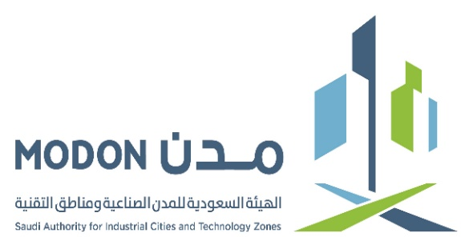

Consultant | Framework status | Framework ID | Frame Work Contract | Value | Duration | Start Date | Finsih Date | Committed | Remaining from framework | Invoices w/out VAT | Earned value | Remaining to Invoice
EGEC - NIS2 | Ongoing | MLTX-01-099 | 2709 | 19,979,840 | 48M | 9-May-24 | 9-May-28 | 18,497,269 | 1,482,571 | 18,147,017.55 | 18,467,769.00 | 320,751
EGEC - WAS | Ongoing | WAS1-01-039 | TBA | 9,799,000 | 24M | 12-Nov-24 | 12-Nov-26 | 7,075,670 | 2,723,330 | 7,075,670.90 | 7,075,670.00 | -1
ENGICON - Package1 | Ongoing | MLTX-01-098 | 2891 | 19,856,000 | 60M | 12-Feb-25 | 12-Feb-30 | 16,551,382 | 3,304,618 | 14,962,620.51 | 15,549,822.66 | 587,202 | a | b | c
Dar AlRiyadh 2 | Ongoing | MLTX-01-100 | 2814 | 59,999,686 | 60M | 2-Oct-24 | 2-Oct-29 | 0 | 59,999,686 | 22,554,552.33 | - | -22,554,552
Meinhardt (KHJ - FOOD) | Ongoing | KHJ1-01-020 | 2966 | 14,990,000 | 24M | 24-Jun-25 | 24-Jun-27 | 11,685,630 | 3,304,370 | 3,939,904.93 | 4,469,255.00 | 529,350
Meinhardt (RDH1-01-006) | Ongoing | RDH1-01-006 | 3172 | 25,298,852 |  | 4-Feb-26 | 3-Aug-27 | 25,298,852 | 0 | 7,469,770 | 12,009,586.72 | 4,539,817
ENGICON - RDH4 PH2 | Ongoing | RDH4-01-003 | 3026 | 59,500,000 | 36M | 20-Jul-25 | 20-Jul-28 | 39,471,610 | 20,028,390 | 27,536,518.00 | 28,199,914.91 | 663,397 | 1
AlDar International (KHJ - FOOD2) | Ongoing | KHJ-01-027 | 3041 | 11,637,180 | 24M | 10-Aug-25 | 10-Aug-27 | 7,146,100 | 4,491,080 | 6,043,100.33 | 7,146,100.00 | 1,103,000
ENGICON - Logistics | Ongoing | MLTX-01-117 | 3042 | 27,800,000 | 24M | 30-Jul-25 | 30-Jul-27 | 23,907,174 | 3,892,826 | 19,924,324.70 | 22,967,071.60 | 3,042,747
EGEC - NIS3 | Ongoing |  | 3020 | 19,955,000 | 48M | 10-Jul-25 | 10-Jul-29 | 0 | 19,955,000 | - | - | 0
TYPSA- (KHJ-AMIC) | Ongoing | KHJ2-01-001 |  | 57,332,139 |  |  |  | 51,542,409 | 5,789,730 | 7,579,488.41 | 5,647,031.88 | -1,932,457
Total |  |  |  | 326,147,697 |  |  |  | 201,176,096 | 124,971,601 | 135,232,967.78 | 121,532,221.77

